Graphs
 | AXLE LOAD DATA ANALYSIS (KAMPALA - MASAKA HIGHWAY)
Load Description (Kampala-Masaka Highway)
Truck Composition for Kampala - Masaka
Vehicle Categories |  |  |  |  |  | Load Description
 | Truck Type | Kampala-Masaka | Masaka-Kampala | Both Directions |  | Category | Kampala-Masaka | Masaka-Kampala
7 | Light/Medium Trucks | 14 | 107 | 121 |  | Agricultural produce | 10.3% | 2.7%
9 | Heavy Trucks | 4 | 2 | 6 |  | Perishable | 0.0% | 0.0%
10 | Truck/Trailer | 11 | 3 | 14 |  | Construction Material | 27.6% | 95.5%
 | Totals | 29 | 112 | 141 |  | Metal/machinery | 6.9% | 0.0%
 |  |  |  |  |  | Forestry products | 0.0% | 0.0%
 |  |  |  |  |  | Fuels | 0.0% | 0.0%
 |  |  |  |  |  | Chemical Products | 3.4% | 0.0%
 |  |  |  |  |  | Livestock | 0.0% | 0.0%
 |  |  |  |  |  | Household retail products | 44.8% | 0.0%
 |  |  |  |  |  | Empty | 0.0% | 0.0%
 |  |  |  |  |  | Others | 6.9% | 1.8%
 |  |  |  |  |  | Total | 29 | 112

Average Truck Loading (Kampala - Masaka Higwhay)
Average Total Loading (Tonnes)
 | Truck Type | Kampala-Masaka | Masaka-Kampala | Both Directions | Vehicle Load Limit
7 | Light/Medium Trucks | 14.4 | 17.5 | 15.9 | 18
9 | Heavy Trucks | 22.3 | 31.3 | 26.8 | 27
10 | Truck/Trailer | 46.6 | 46.8 | 46.7 | 54
 | Totals

 |  |  |  |  |  | Percentage By Which Vehicles Are Overloaded
 |  |  |  |  |  |  | Truck Type | Kampala-Masaka | Masaka-Kampala | Both Directions
 |  |  |  |  |  |  | 0-4.9% | 51.7% | 1.8% | 26.8%
 |  |  |  |  |  |  | 5-25% | 44.8% | 19.6% | 32.2%
 |  |  |  |  |  |  | 25-50% | 0.0% | 64.3% | 32.1%
 |  |  |  |  |  |  | Over 50% | 3.4% | 14.3% | 8.9%
Percentage By Which Vehicles Are Overloaded (Kampala-Masaka)
 |  |  |  |  |  |  |  | 29 | 112

Average Proportion of Overloaded Trucks (Kampala-Masaka)
Proportion of Overloaded Trucks
 | Truck Type | Kampala-Masaka | Masaka-Kampala | Both Directions
7 | Light/Medium Trucks | 50.0% | 99.1% | 74.5%
9 | Heavy Trucks | 50.0% | 100.0% | 75.0%
10 | Truck/Trailer | 72.7% | 100.0% | 86.4%
 | Overall | 65.5% | 99.1%

KEY
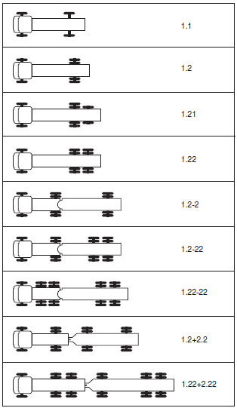
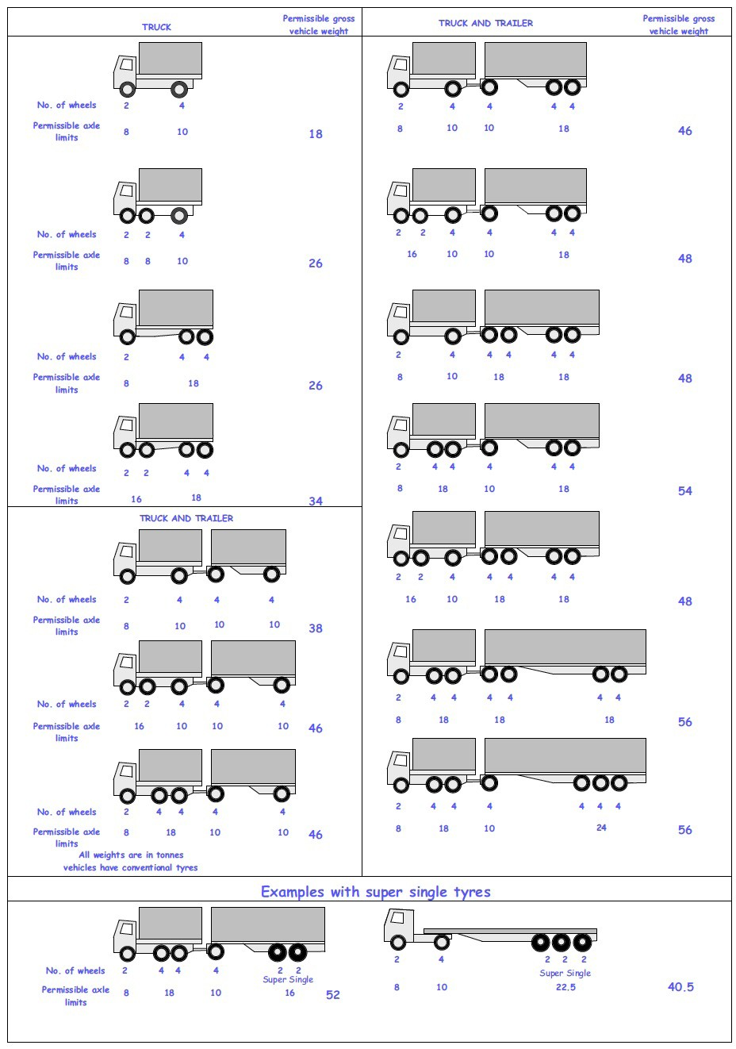
 |  |  |  |  | Axle Configuration
TRUCK TYPES |  |  |  |  | 2-Axles | 2-Axles | 3-Axle | 4-Axle | 5-Axle | 6-Axle | 7-Axle

7 | LIGHT SINGLE UNIT TRUCK-DYNAS AND TRACTORS(2 axles) |  |  |  | 1.1 | 1.2
8 | LIGHT/MEDIUM SINGLE UNIT TRUCKS (3 axles) |  |  |  |  |  | 1.22
9 | MEDIUM - SINGLE UNIT TRUCKS-LORRIES, FUSOS (4 axles) |  |  |  |  |  |  | 1.1-22
 |  |  |  |  |  |  |  | 1.222

10 | HEAVY TRUCK RIGID (5 axles) |  |  |  |  |  |  |  | 1.1-222
 |  |  |  |  |  |  |  |  | 1.2-222
 |  |  |  |  |  |  |  |  | 1.22-22
11 | TRUCK TRAILER AND SEMI TRAILER (6 axles) |  |  |  |  |  |  |  |  | 1.12-222
 |  |  |  |  |  |  |  |  |  | 1.22-222
 |  |  |  |  |  |  |  |  |  | 1.22+1-22
 |  |  |  |  |  |  |  |  |  | 1.22+2-22
 |  |  |  |  |  |  |  |  |  | 1.21-222
 |  |  |  |  |  |  |  |  |  | 1.22-111
12 | TRUCK TRAILER TYPE 2 (7 axles) |  |  |  |  |  |  |  |  |  | 1.11+11-11
 |  |  |  |  |  |  |  |  |  |  | 1.22+22-22
 |  |  |  |  |  |  |  |  |  |  | 1.12+11-22

 | 7. Light Truck
 | 8. Medium Truck
 | 9. Heavy truck
 | 10. Truck Trailer

 | 1*1 | Light Truck | 7 | 18
 | 1*2 | Light Truck | 7 | 18
 | 1*21 | Medium Truck | 8 | 26
 | 1*22 | Heavy Truck | 9 | 26
 | 1*2*2 | Truck Trailer | 10 | 46
 | 1*2*22 | Truck Trailer | 10 | 46
 | 1*22-22 | Truck Trailer | 10 | 46
 | 1*2*2*2 | Truck Trailer | 10 | 46
 | 1*22*2*22 | Truck Trailer | 10 | 46
 | 11*22 | Heavy Truck | 9 | 34

